Sheet1
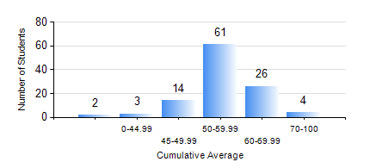
 |  |  | KWAME NKRUMAH UNIVERSITY OF SCIENCE AND TECHNOLOGY, KUMASI Department of Agricultural and Biosystems Engineering

 |  |  | BSC. AGRICULTURAL ENG.

 |  |  | COMPREHENSIVE RECORD OF EXAMINATION RESULTS

 |  |  | RESULTS OF YEAR 1 FIRST SEMESTER, 2019/2020 ACADEMIC YEAR

 | Sn | Course Code |  | Course Name | Credit Hours | Min. Mark | Max. Mark | Avg. Mark | Std. Dev. | No. Passed | No. Trailed | No. (Df) | No. (I) | No. (I*) | No. Tagged(I,I*,Df) | Total
 | 0. |  |  |  |  |  |  | 0 | 0 | 0 | 0 | 0 | 0 | 0 | 0 | 3
 | 1. | AE 153 |  | AGRIC. METEOROLOGY AND CLIMATOLOGY | 2 | 31 | 83 | 62 | 10.59 | 104 | 3 | 0 | 0 | 0 | 0 | 107
 | 2. | CE 155 |  | ENVIRONMENTAL STUDIES | 2 | 41 | 81 | 58 | 7.96 | 107 | 0 | 0 | 0 | 0 | 0 | 107
 | 3. | EE 151 |  | APPLIED ELECTRICITY | 3 | 24 | 91 | 53 | 14.44 | 91 | 16 | 0 | 0 | 0 | 0 | 107
 | 4. | ENGL 157 |  | COMMUNICATION SKILLS I | 2 | 33 | 74 | 52 | 8.73 | 98 | 8 | 0 | 1 | 0 | 1 | 107
 | 5. | MATH 151 |  | ALGEBRA | 4 | 40 | 73 | 54 | 8.72 | 107 | 0 | 0 | 0 | 0 | 0 | 107
 | 6. | ME 159 |  | TECHNICAL DRAWING | 2 | 42 | 85 | 62 | 10.36 | 107 | 0 | 0 | 0 | 0 | 0 | 107
 | 7. | ME 195 |  | ENGINEERING TECHNOLOGY I | 2 | 40 | 78 | 60 | 7.61 | 107 | 0 | 0 | 0 | 0 | 0 | 107

